Sheet1
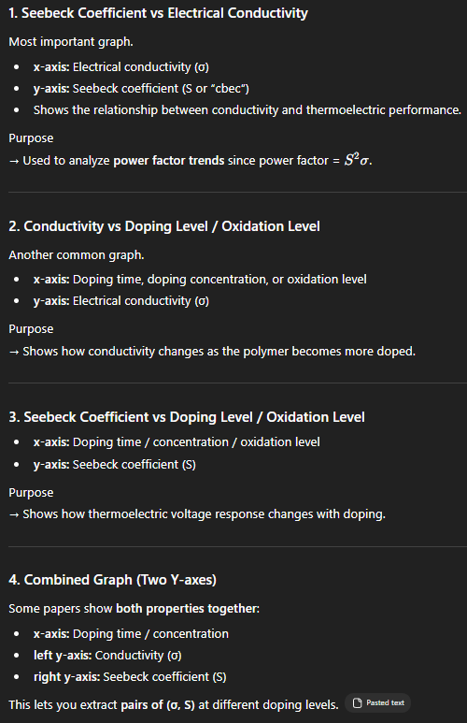
Dataset 1 | Monomer Structure |  |  |  |  |  |  |  |  |  |  |  |  |  |  |  |  |  |  |  |  |  |  |  | Dataset 2 | Material / Processing / Performance |  |  |  |  |  |  |  |  |  |  |  |  |  |  |  |  |  |  |  |  |  |  |  |  |  |  |  |  |  |  | Dataset 3 | Graph Extracted Data
id | exact_polymer_name | repeat_unit_name | parent_family | monomer_structure_text | smiles | structure_2d | structure_3d | heteroatom_type | fused_ring_count | ring_system_type | backbone_type | backbone_planarity | conjugation_length | side_chain_present | side_chain_type | side_chain_length | side_chain_branching | polarity | dipole_related_feature | charge_type | base_polymer_or_derivative | notes_on_structure | reference_doi | evidence_location | record_id | polymer_id | exact_material_name | parent_family | material_type | charge_type | solvent | dopant | dopant_category | doping_status | doping_method | doping_level | secondary_component | filler_or_additive | film_preparation_method | material_form | thickness | post_treatment | annealing | annealing_temperature | measurement_temperature | electrical_conductivity | seebeck_coefficient | power_factor | thermal_conductivity | zt | graph_format | paired_sigma_seebeck_extracted | reason_for_performance | application | reference_doi | evidence_location | datapoint_id | polymer_id | record_id | graph_variable | doping_or_oxidation_level | seebeck_coefficient | electrical_conductivity | power_factor_calculated | measurement_temperature | units_seebeck | units_conductivity | units_doping_level | graph_type | digitization_method | reference_doi | evidence_location

